Cover
Data & Integration Practice

Lean, Agile & DevOps Driven Continuous Delivery Method

Retail Due Date Change - IMS UI Steps & UI Screen Map

Copyright © 2012-2015 Steerwise Inc. All Rights Reserved.
Steerwise Inc. disclaims all warranties with regard to this material and contents herein, including all implied warranties of suitability and fitness for any particular purpose. In no event shall Steerwise Inc. be liable for any special, incidental, indirect or consequential damages or any damages whatsoever resulting from loss of use, data or profits, whether in an action of contract, negligence or other tortious action, arising out of or in connection with the use or inability to use this material or performance of this material.
All or specific content in this material is protected by copyright, and permission must be obtained from the owner prior to any prohibited reproduction, storage in a retrieval system, or transmission in any form or by any means, electronic, mechanical, photocopying, recording or likewise. No one is allowed to remove or modify proprietary markings or proprietary legends, logos, trademarks, trade secrets, copyright and proprietary rights notices from this material under any circumstances.
The copyrighted material is intended for use by the licensed customers only. None of the information found here can be used for commercial gain of any kind including resale or reproduction for profit. No one is allowed to copy or sell or distribute any of the material or contents thereof or any derivate works to any party as their own, or of any other party, without explicitly obtaining either a commercial or non-commercial license from Steerwise Inc.
Business Technology Architecture® is a registered trademark of Steerwise Inc. Business Value First™, Innowise™, Alignwise™, Performwise™, Meaning-Oriented-Modeling™, Meaning-Oriented-Integration™, Business Being™, Data Efficacy & Data Excellence™ are trademarks of Steerwise Inc.
Any inquiries regarding this material, requests for usage rights for the material or contents included herein, should be sent by email to info@steerwise.com

Retail UI Steps
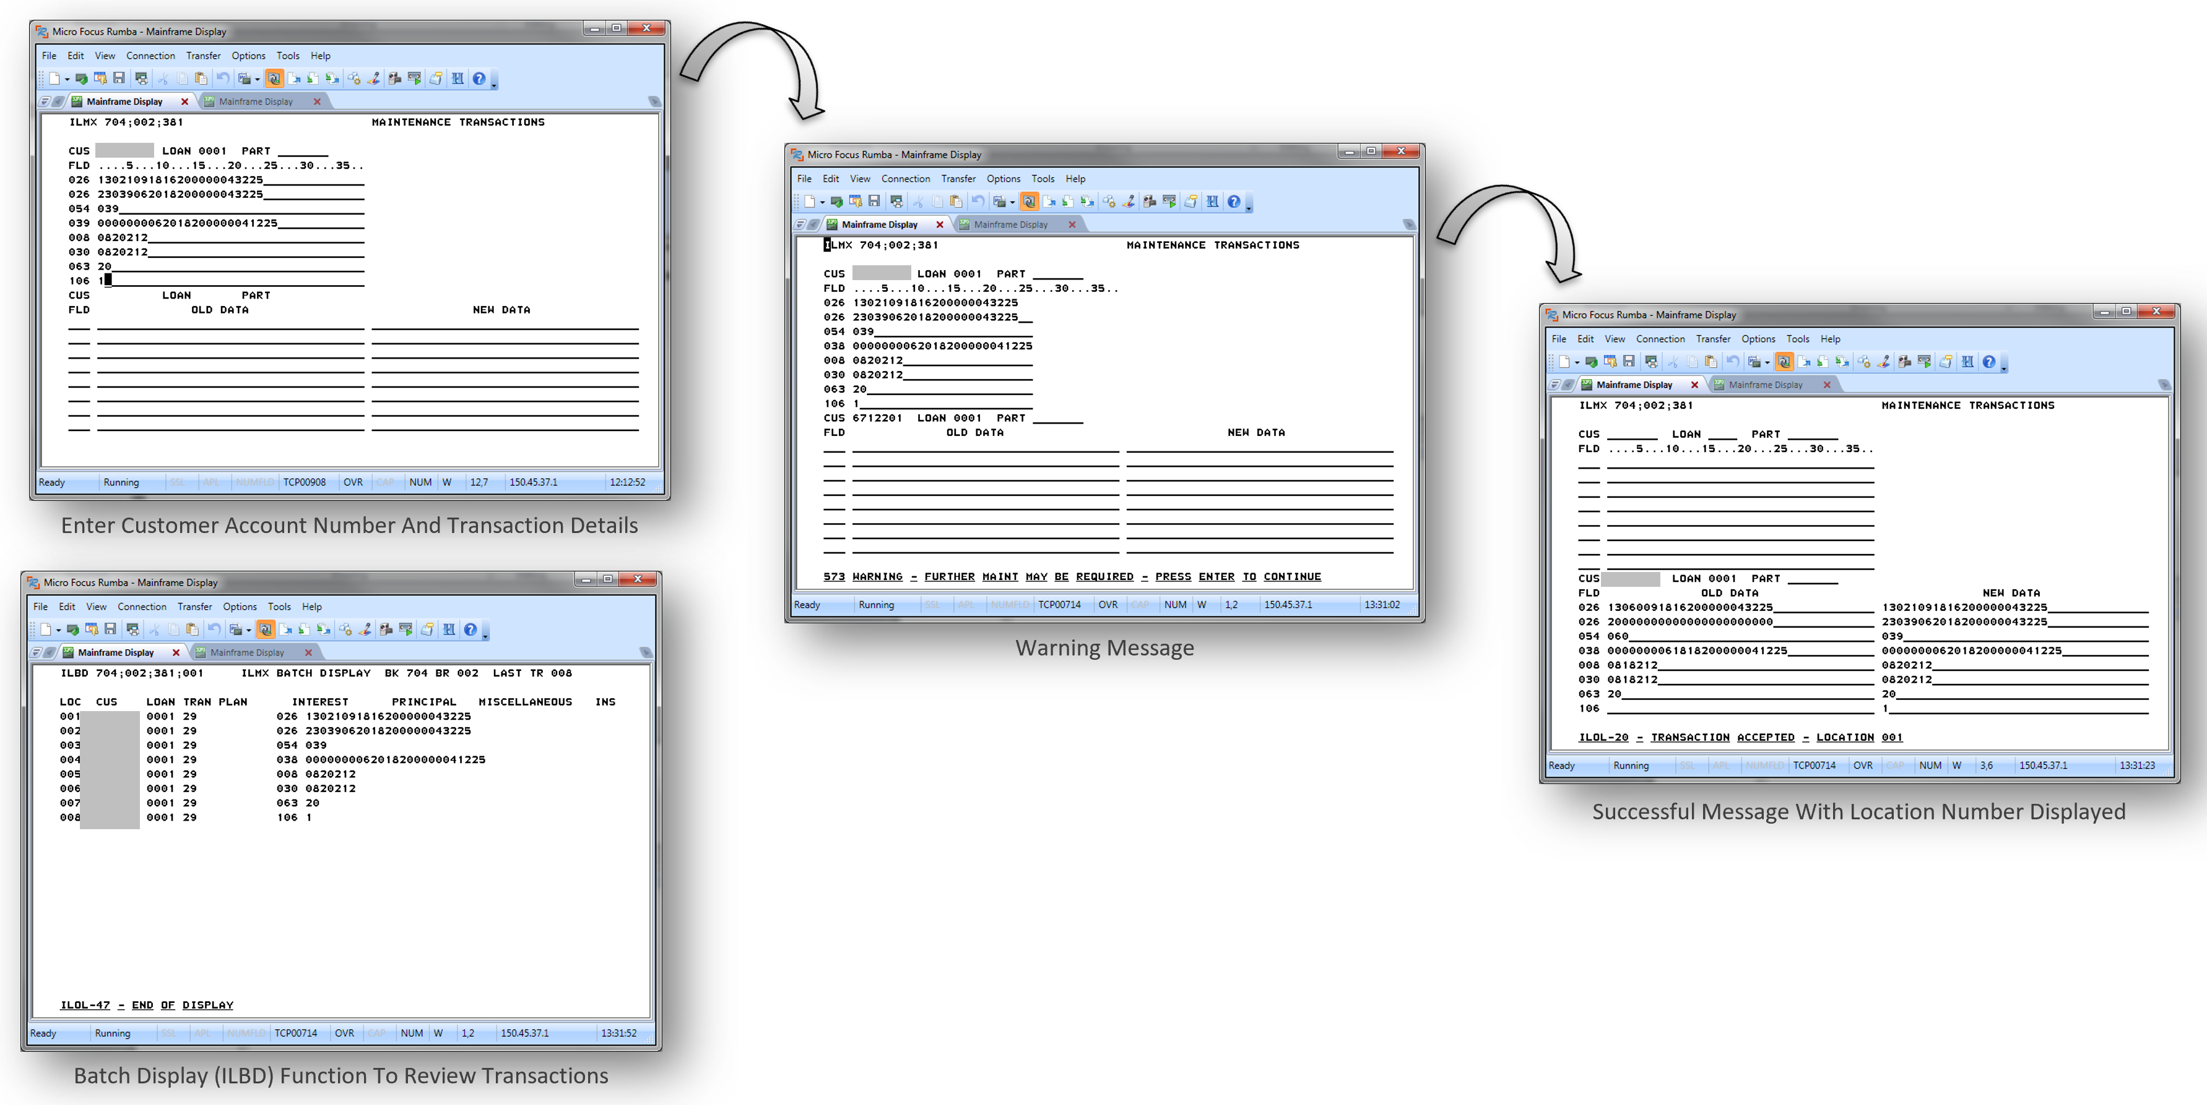
Retail UI Steps
Input Screen |  | Action | Output Screen | Output Message
Login | Mainframe Entry Screen (Toyota Motor Sales USA) | KeyIn "IMSP" in Command Line and press Enter | IMS Logon Screen (IMS Production System)
 | IMS Logon Screen (IMS Production System) | KeyIn "IMS User ID" & Password and press Enter | IMS Logon Screen (IMS Production System) | DFS3650I Sign Command Completed
 | IMS Logon Screen (IMS Production System) | Press PF6 (TMCC) | TMCC Signon Menu
 | TMCC Signon Menu | KeyIn Bank & Branch and Press PF3 | ILSN Screen

Open ILNS | ILSN Screen | KeyIn ILNS with Bank, Branch, Customer Number (7 digit) & Schedule Number (4 digit) and press Enter | ILNS Screen | Account Information

Open ILNS with Error | ILSN Screen | KeyIn ILNS with Bank, Branch, Customer Number (7 digit) & Schedule Number (4 digit) and press Enter | ILNS Screen | ILOL-03 - INVALID ACCOUNT NUMBER
 | ILSN Screen | KeyIn ILNS with Bank, Branch, Customer Number (7 digit) & Schedule Number (4 digit) and press Enter | ILNS Screen | Account Information

Open ILMX | ILSN Screen | KeyIn ILMX with Bank, Branch & Batch Number and press Enter | ILMX Screen

Submit ILMX | ILMX Screen | KeyIn Due Date Change Information - Page1 and press Enter | ILMX Screen | 573 Warning Further Maint Maybe Required in EMSGO
 | ILMX Screen | press Enter | ILMX Screen | ILOL-20 Transaction Accepted - Location 001 in EMSGO
 | ILMX Screen | KeyIn Due Date Change Information - Page2 and press Enter | ILMX Screen | 573 Warning Further Maint Maybe Required in EMSGO
 | ILMX Screen | press Enter | ILMX Screen | ILOL-20 Transaction Accepted - Location 001 in EMSGO

Submit ILMX with Error | ILMX Screen | KeyIn Due Date Change Information and press Enter | ILMX Screen | ILOL-15 - INVALID BATCH NUMBER in EMSGO
 | ILMX Screen | KeyIn Due Date Change Information - Page1 and press Enter | ILMX Screen | 573 Warning Further Maint Maybe Required in EMSGO
 | ILMX Screen | press Enter | ILMX Screen | ILOL-20 Transaction Accepted - Location 001 in EMSGO
 | ILMX Screen | KeyIn Due Date Change Information - Page2 and press Enter | ILMX Screen | 573 Warning Further Maint Maybe Required in EMSGO
 | ILMX Screen | press Enter | ILMX Screen | ILOL-20 Transaction Accepted - Location 001 in EMSGO

Verify ILNS | ILSN Screen | KeyIn ILNS with Bank, Branch, Customer Number (7 digit) & Schedule Number (4 digit) and press Enter | ILNS Screen | Account Information

